Processing
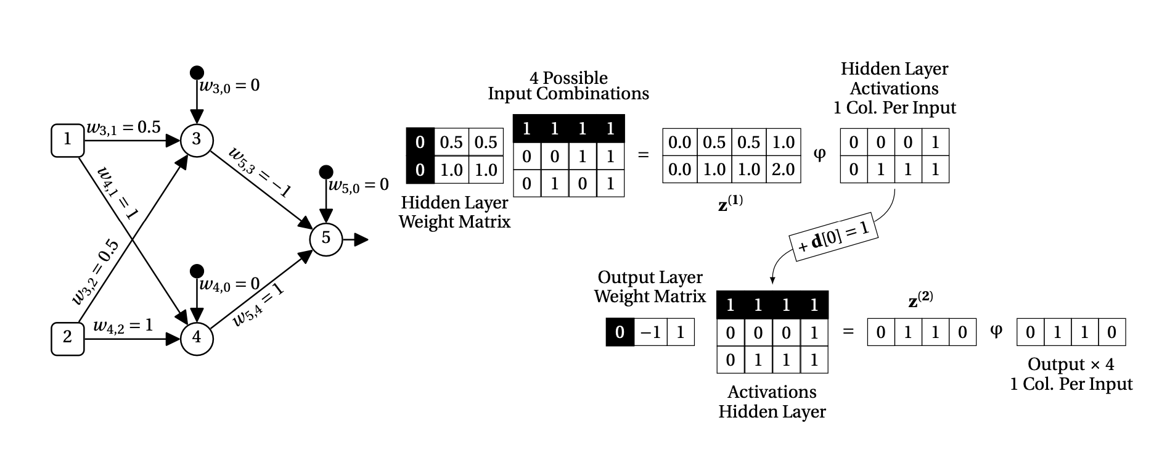

2
4
Network Architecture |  |  |  |  |  |  |  |  | Activation Function |  |  |  |  |  | Input Data (Can the model identify eXclusive Or?) |  |  |  |  | Tabular Data
 |  |  |  |  |  |  |  |  |  |  |  |  |  |  |  |  |  |  |  | Instance | X1 | X2 | XOR Class
 |  |  |  |  |  |  |  |  |  |  |  |  |  |  |  |  |  |  |  | 1 | 0 | 0 | FALSE
 |  |  |  |  |  |  |  |  |  |  |  |  |  |  |  |  |  |  |  | 2 | 0 | 1 | TRUE
 |  |  |  |  |  |  |  |  |  |  |  |  |  |  |  |  |  |  |  | 3 | 1 | 0 | TRUE
 |  |  |  |  |  |  |  |  | Neuron Processing (Weighted Sum -> Activation Function) |  |  |  |  |  |  |  |  |  |  | 4 | 1 | 1 | FALSE
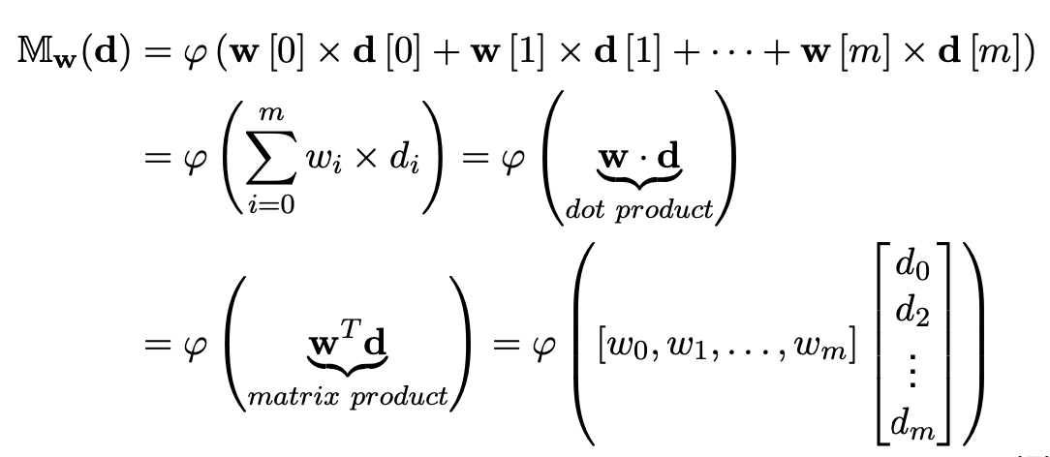
1
3

 | STEPS |  | 1.) for a batch of data (4), inputs 1 (x1) and 2 (x2) are fed into Neurons 3 and 4, and weighted sum (z) is calculated for each neuron |  |  |  |  |  |  |  |  |  |  | 2.) neurons pass z through a non linear activation function to generate output activations

 |  |  |  |  |  |  |  |  | 1st Layer NN
 |  |  |  |  |  |  |  |  | z (weighted sum) |  |  |  |  |  | activation
 | Weights for Neurons 3 and 4 (already trained) |  |  |  | Inputs (4 instances, with 2 features each, processed in parallel |  |  |  |  | Instance 1 | Instance 2 | Instance 3 | Instance 4 |  |  | Instance 1 | Instance 2 | Instance 3 | Instance 4
neuron 3 | 0 | 0.5 | 0.5 | (bias) | 1 | 1 | 1 | 1 | Neuron 3 | 0 | 0.5 | 0.5 | 1 |  | Neuron 3 | 0 | 0 | 0 | 1
neuron 4 | 0 | 1.0 | 1.0 | x1 | 0 | 0 | 1 | 1 | Neuron 4 | 0 | 1 | 1 | 2 |  | Neuron 4 | 0 | 1 | 1 | 1
 | (bias) | w3,1 | w3,2 | x2 | 0 | 1 | 0 | 1
 |  |  |  |  | instance 1 | instance 2 | instance 3 | instance 4

 |  | 3.) output activations from first layer of NN (Neurons 3 and 4) are passed into the final output layer (Neuron 5), and weighted sum (z) is calculated |  |  |  |  |  |  |  |  |  |  |  | 4.) neuron passes z through non linear activation function to generate final outputs (classification model outputs)

 |  |  |  |  |  |  |  |  | Output Layer NN
 |  |  |  |  |  |  |  |  | z (weighted sum) |  |  |  |  |  | activation
Weights for Neuron 5 (already trained) |  |  |  |  | Outputs of Layer 1 (end of step 2 with bias input added) |  |  |  |  | Instance 1 | Instance 2 | Instance 3 | Instance 4 |  |  | Instance 1 | Instance 2 | Instance 3 | Instance 4
0 | -1 | 1 |  | (bias) | 1 | 1 | 1 | 1 | Neuron 5 | 0 | 1 | 1 | 0 |  | Neuron 5 | 0 | 1 | 1 | 0
(bias) | w5,3 | w5,4 |  | Neuron 3 | 0 | 0 | 0 | 1
 |  |  |  | Neuron 4 | 0 | 1 | 1 | 1
 |  |  |  |  | instance 1 | instance 2 | instance 3 | instance 4 |  |  |  |  |  | 4.) Model outputs (0 False, 1 True) - able to create a non-linear decision boundary to classify XOR with just 1 hidden layer
 |  |  |  |  |  |  |  |  |  |  |  |  |  | Instance 1 | 0 | Not XOR (Input data was 0 and 0)
 |  |  |  |  |  |  |  |  |  |  |  |  |  | Instance 2 | 1 | XOR (Input data was 0 and 1)
 |  |  |  |  |  |  |  |  |  |  |  |  |  | Instance 3 | 1 | XOR (Input data was 1 and 0)
 |  |  |  |  |  |  |  |  |  |  |  |  |  | Instance 4 | 0 | Not XOR (Input data was 1 and 1)

Backprop
 |  |  | Network Architecture |  |  |  |  |  | Activation Function (Logistic) |  |  |  | Delta Calculation (General) |  | Delta Calculation (Output Neuron) |  |  |  | Delta Calculation (Processing Neuron) |  | Delta for Weights |  | Weight Update
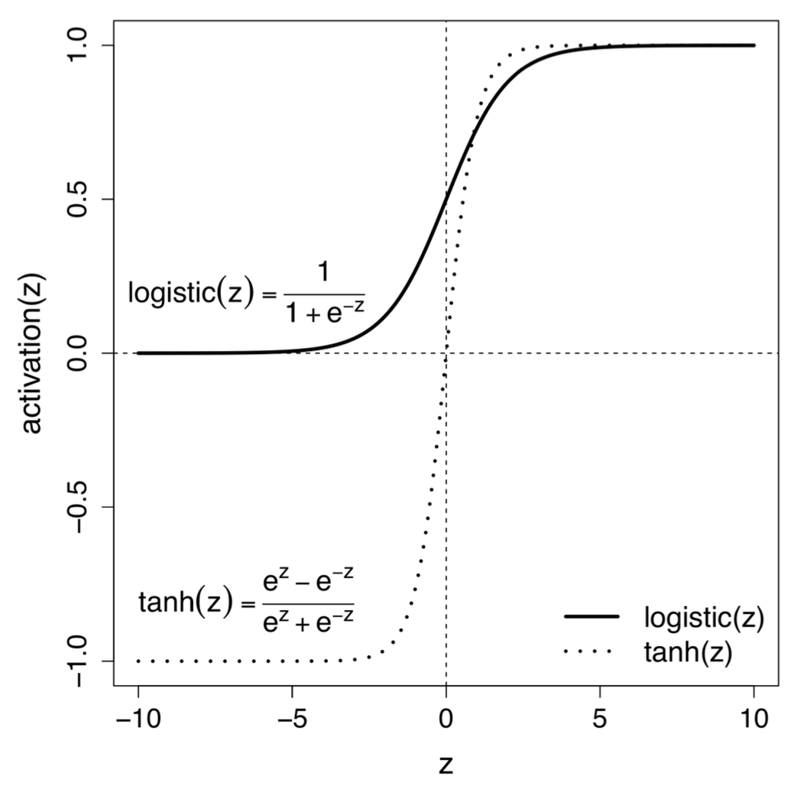
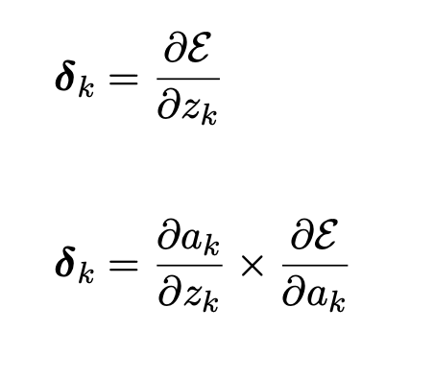
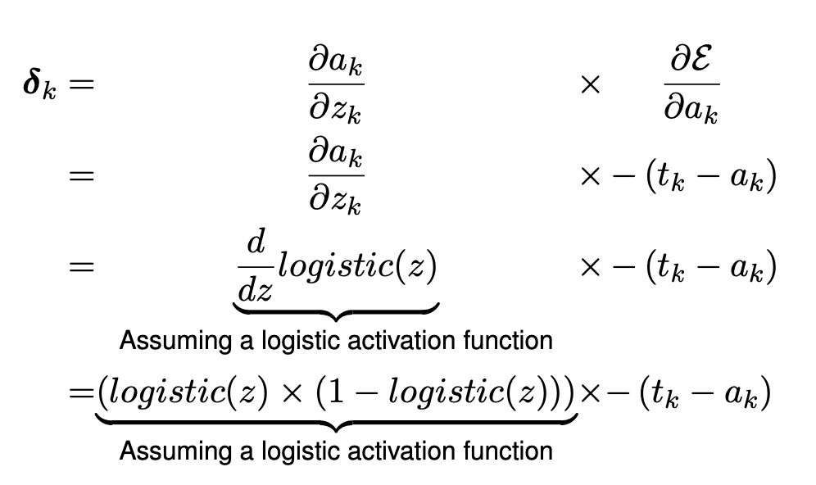
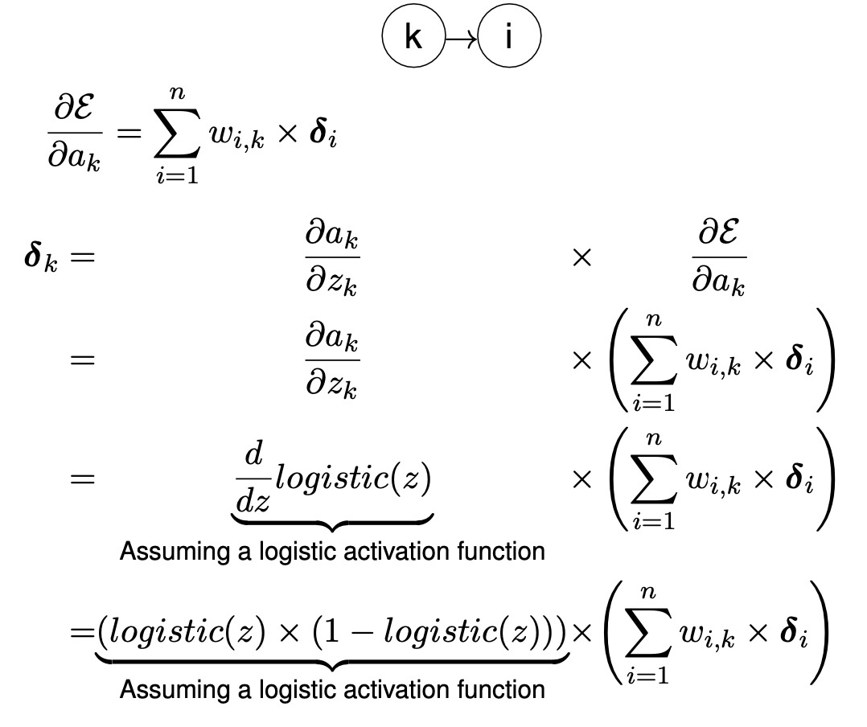
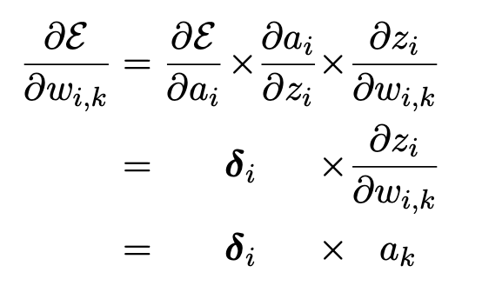
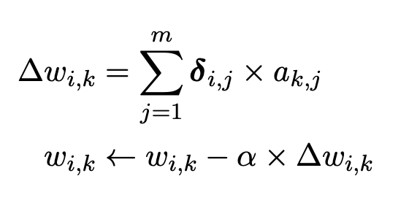
Desired Output: | 0.7

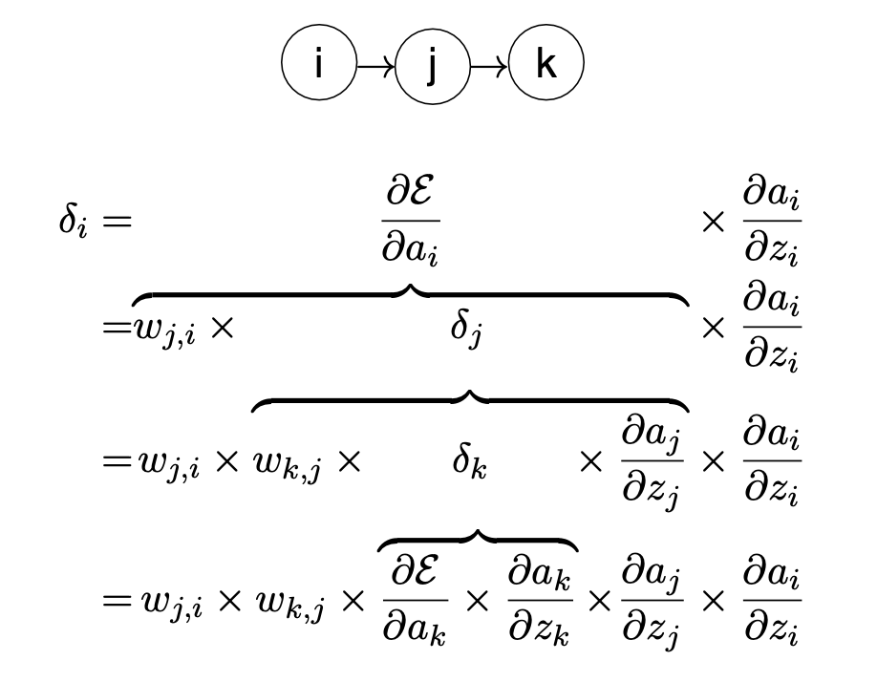
 | Forward vs Backward pass |  |  |  |  |  |  |  |  |  |  |  |  |  |  |  |  |  |  |  |  | Backprop
 | forward pass
 | 1 |  |  | 2 |  |  | Error
 | z | a |  | z | a |  | target - output
 | d1 |  |  | d2 |  |  | E
 | backward pass

 | i. output generated by network
 |  |  |  |  |  |  |  | 1st layer NN |  |  |  |  |  |  |  | Output layer NN |  | Network output |  | Error
 |  | Weights for Neuron 2 |  |  | Inputs |  |  | z (weighted sum) | activation |  | Weights for Neuron 3 |  |  | inputs |  | z (weighted sum) | activation | 0.56475499157 |  | 0.13524500843
 |  | 0.1 | 0.2 |  | 1 |  | neuron 2 | 0.14000 | 0.53494294516 |  | 0.1 | 0.3 |  | 1 | neuron 3 | 0.26048288355 | 0.56475499157
 |  | w2,0 | w2,1 |  | 0.2 |  |  |  |  |  | w3,0 | w3,2 |  | 0.53494294516

 | ii. Calculate delta values for each neuron |  |  |  | Neuron 3: |  |  |  | Neuron 2:
 |  |  |  |  | dE/da3 | =-(tk-ak) |  |  | dE/da2 | =w32 * d3
 |  |  |  |  |  | -0.13524500843 |  |  |  | -0.0099732424592
 |  |  |  |  | da3/dz3 | =logistic(z3) * (1-logistic(z3)) |  |  | da2/dz2 | =logistic(z2) * (1-logistic(z2))
 |  |  |  |  |  | 0.24580679107 |  |  |  | 0.24877899058

 |  |  |  |  | d3 | =dE/da3 * da3/dz3 |  |  | d2 | =dE/da2 * da2/dz2
 |  |  |  |  |  | -0.033244141531 |  |  |  | -0.0024811331918

 | iii. Calculate sensitivity of error of network to changes in each weight

 |  |  |  |  | dE/dw32 |  | dE/dw30
 |  |  |  |  | -0.01778371898 |  | -0.033244141531

 |  |  |  |  | dE/dw21 |  | dE/dw20
 |  |  |  |  | -0.00049622663837 |  | -0.0024811331918

 | iv. Assume learning rate 0.1, calculate updated values for each weight

 |  | LR | 0.1 |  | w32 |  | w30
 |  |  |  |  | 0.3017783719 |  | 0.10332441415

 |  |  |  |  | w21 |  | w20
 |  |  |  |  | 0.20004962266 |  | 0.10024811332

 | v. calculate reduction in the error of this network with new weights and same input

 |  |  |  |  |  |  |  | 1st layer NN |  |  |  |  |  |  |  | Output layer NN |  | Network output |  | Error
 |  | Weights for Neuron 2 |  |  | Inputs |  |  | z (weighted sum) | activation |  | Weights for Neuron 3 |  |  | inputs |  | z (weighted sum) | activation | 0.56581046457 |  | 0.13418953543
 |  | 0.10024811332 | 0.20004962266 |  | 1 |  | neuron 2 | 0.14026 | 0.53500713898 |  | 0.10332441415 | 0.3017783719 |  | 1 | neuron 3 | 0.26477799751 | 0.56581046457
 |  | w2,0 | w2,1 |  | 0.2 |  |  |  |  |  | w3,0 | w3,2 |  | 0.53500713898
 |  |  |  |  |  |  |  |  |  |  |  |  |  |  |  |  |  | Reduction in Error
 |  |  |  |  |  |  |  |  |  |  |  |  |  |  |  |  |  | 0.0010554729982

